Price List Structure
 |  | PRICE LIST STRUCTURE
Code Ver.
------ ------
T 1
T 2
T 3
...
TYPE OF PRODUCTS

Code Ver.
------ ------
T 1
T 2
T 3
...
COSTING

PRICE LIST BCN'16
AREA BCN
SEASON 2016
Code Ver. Cost-0 Sell-1 Sell-3
------ ------ --------- ------------ --------
T 1 60000 80000 4
T 2 70000 90000 4.5
T 3 80000 100000 5
...
PRICE LIST VN'16
AREA VIETNAM
SEASON 2016
Code Ver. Cost-0 Sell-1 Sell-3
------ ------ --------- ------------ --------
T 1 60000 80000 4
T 2 70000 90000 4.5
T 3 80000 100000 5
...
 | PRICE LIST FACTORY |  | PRICE LIST FACTORY

FACTORY | PRICE LIST FACTORY DETAILS |  | PRICE LIST FACTORY DETAILS

PRICE LIST MAD'16
PR. LST. ORIGIN BCN'16
DESCRIPTION MADRID
SEASON 2016
Code Ver. Cost-3 Cost-4 Sell-8
------ ------ --------- ------------ --------
T 1 4 3 6.5
T 2 4.5 3.5 7.5
T 3 5 4 8.5
...
PRICE LIST HAN'16
PR. LST. ORIGIN VN'16
DESCRIPTION HANOI
SEASON 2016
Code Ver. Cost-3 Cost-4 Sell-8
------ ------ --------- ------------ --------
T 1 4 3 6.5
T 2 4.5 3.5 7.5
T 3 5 4 8.5
...
PRICE LIST CAST'16
PR. LST. ORIGIN BCN'16
DESCRIPTION CASTELLÓ
SEASON 2016
Code Ver. Cost-3 Cost-4 Sell-8
------ ------ --------- ------------ --------
T 1 4 3 6
T 2 4.5 3.5 7
T 3 5 4 8
...
PRICE LIST SAIGON'16
PR. LST. ORIGIN VN'16
DESCRIPTION SAIGON
SEASON 2016
Code Ver. Cost-3 Cost-4 Sell-8
------ ------ --------- ------------ --------
T 1 4 3 6
T 2 4.5 3.5 7
T 3 5 4 8
...
PRIZE LIST ZONE

ZONE / AGENT

PRIZE LIST ZONE DETAILS

 | CREATE AN ALARM WHEN EXCHANGE RATE MAKES SOME PRICES COME ON LOST

Price List Factory -Main Screen
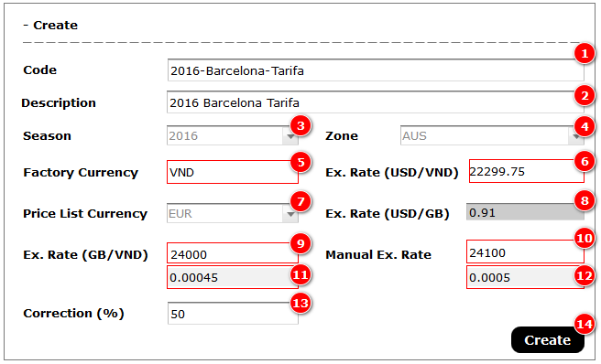
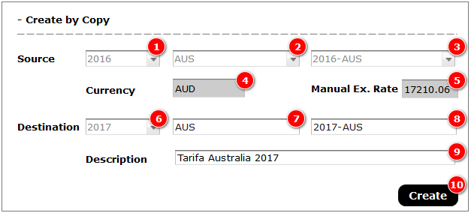
 | SC_price_list_fty_main - PRICE LISTS FACTORY MAIN SCREEN

 | Main Database : |  | PRICE LIST FACTORY |  | Actions : | Double Click on a field, open edit screen
 | Linked databases : |  | FACTORY |  |  | NEW button : create new record, add a new id_plf, and open edit screen
 |  |  | CURRENCY |  |  | CREATE BY COPY : Creates a new record and duplicate all records on PRICE LIST FACTORY DETAILS linked to this new id_plf
 |  |  | ZONE |  |  | Head of the tables allow to filter and sort information

 | The information shown on this screen is filtered according to user access level
 | All information filtred by id_factory (according to loggin)

 | * SC_price_list_fty_main

 |  |  |  |  |  |  | CREATE BY COPY |  | NEW
PRICE LIST FACTORY
id_plf _____ (U/I)
id_factory ___
plf_code________ (U)
plf_description ____________
plf_season ____
id_currency ___ (sell)
id_zone ___
plf_correction ___ %
plf_Ex_Rate ___ (M)
plf_date __/__/__
plf_update __/__/__
 |  | CODE | DESCRIPTION | ZONE | SEASON | FTY CURRENCY | P.LIST. CURRENCY | EX. RATE | CORRECTION | DATE | UPDATE
 |  | plf_code | plf_description | z_code (id_zone) | plf_season | curr_code (id_factory / id_currency) | curr_code (id_currency) | plf_ex_rate | plf_crrection | plf_date | plf_update
 |  | 2015-BCN | Tarifa Barcelona 2015 | SP | 2015 | VND | USD | 22500 | 5 | 2015-01-01 | 2015-01-01
 |  | 2015-VN | Tarifa Vietnam 2015 | VN | 2015 | VND | VND |  | 10 | 2015-01-01 | 2015-01-01
 |  | 2015-AUS | Tarifa Australia 2015 | AUS | 2015 | VND | USD | 22500 | 20 | 2015-01-01 | 2015-01-01
 |  | 2016-BCN | Tarifa Barcelona 2016 | SP | 2016 | VND | USD | 21000 | 5 | 2016-01-01 | 2016-01-01
 |  | 2016-VN | Tarifa Vietnam 2016 | VN | 2016 | VND | VND |  | 10 | 2016-01-01 | 2016-02-24

 |  | Fields editable directly on the table : Non

1. Create New Price List - (M1) |  |  |  |  |  |  |  |  | Components |  |  | Business Rules

Price List Factory -Edit Screen
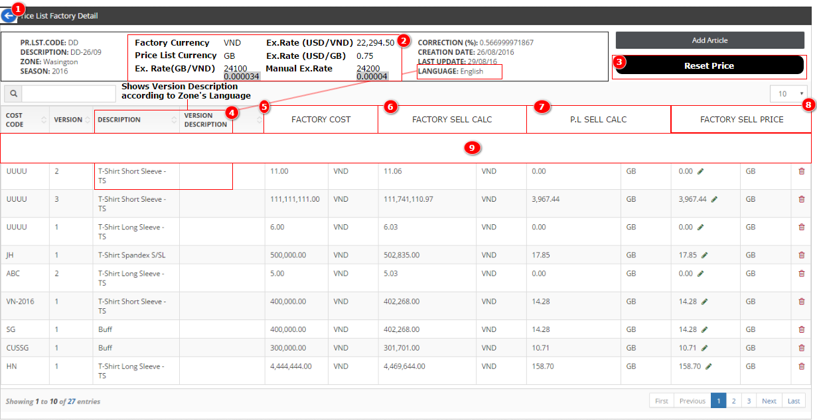
 | SC_price_list_fty_edit - PRICE LIST FACTORY EDIT SCREEN

 | Database 1 : |  | PRICE LIST FACTORY |  |  | Actions : | ADD ARTICLE : Create lines according to id_cost / id_cost_versions to and to all PRICE LIST ZONE linked to this
 | Linked databases : |  | FACTORY |  |  |  |  | Open SC_costing_select to filter and select id_cost.
 |  |  | CURRENCY |  |  |  |  | Before import chack if id_cost_version + cv_version already exists in this Price list
 |  |  | ZONE
PRICE LIST FACTORY DETAILS
id_plf_det_____ (U/I)
id_plf _____ (L)
id_cost ___
id_cost_version ___
plfd_Fty Cost -0___ (CDB) "Costing Versions"
plfd_Fty Sell-1 ___ (currency Factory) (C)
plfd_Fty Sell-2 ___ (currency sell )(C)
*plfd_Fty Sell-3 (M) ___
 |  |  |  |  |  |  | Head of the tables allow to filter and sort information
 | Database 2 : |  | PRICE LIST FACTORY DETAILS
 | Linked databases : |  | COSTING / COSTING VERSIONS
 |  |  | COSTING DESCRIPTION / COSTING VERSION DESC
 |  |  | CURRENCY

 | Database 3 : |  | COSTING (filtered by cost_season=plf_season , cost_pl=yes)
 | Linked databases : |  | COSTING DESCRIPTION

 | * SC_price_list_fty_edit (f)
PR. LST. CODE : plf_code FACTORY CURRENCY : curr_code (id_factory /id_currency) CORRECTION : plf_correction %
DESCRIPTION : plf_description PRICE LIST CURRENCY : curr_code (id_currency) CREATION DATE : plf_date
ZONE : z_description (id_zone ) CREATION DATE EX. RATE : cc_value (* on plf_date) LAST UPDATE : plf_update
SEASON : plf_season CALCULATION EX. RATE : plf_ex_rate LANGUAJE : lg_name (id_languaje)
 | #1

 |  |  |  |  |  |  |  |  |  |  |  | Add Article
 |  | * SC_price_list_fty_det (f)
 | #2 | COST CODE | VERSION | DESCRIPTION | VERS. DESCRIPTION | FACTORY COST | CURRENCY | SELL CALC (FTY CURRENCY) | CURRENCY | SELL CALC (PL CURRENCY) | CURRENCY | FTY SELL PRICE | CURRENCY
 |  | cost_code (id_cost) | cv_version (id_cost_version) | cd_description (id_cost/id_language) | cvd_description (id_cost/id_language) | plfd_fty_cost-0 (copied from cv_fty_cost-0) | curr_code (id_factory / id_currency) | plfd_fty_sell-1 (= plfd_fty_cost-0 + plf_correction %) | curr_code (id_factory / id_currency) | plfd_fty_sell-2 (= plfd_fty_sell-2 / plf_ex_rate) | curr_code (id_currency) | plfd_fty_sell-3 | curr_code (id_currency)

 |  |  |  |  |  |  |  | Fct. Cost + Correction |  | Sell New Currency
 |  | Fields editable directly on the table : plf_fty_sell-3
PRICE LIST FACTORY
id_plf _____ (U/I)
id_factory ___
plf_code________ (U)
plf_description ____________
plf_season ____
id_currency ___ (sell)
id_zone ___
id_languaje _____
plf_correction ___ %
plf_Ex_Rate ___ (M)
plf_date __/__/__
plf_update __/__/__
 |  |  | * SC_costing_select

 |  |  |  | CODE | DESCRIPTION (ML) | SEASON | PRICE LIST | No. VARIANTS
 |  |  |  | cost_code | cd_description (id_cost/id_language) | cost_season | cost_pl | cost_variants

1. Price List Factory Detail - (M1) |  |  |  |  |  |  |  |  |  |  |  | Components

Price List Fty -Edit (Example)
SC_price_list_fty_edit - PRICE LIST FACTORY EDIT SCREEN (Example)

Database 1 : |  | PRICE LIST FACTORY |  |  | Actions : | ADD ARTICLE : Create lines according to id_cost / id_cost_versions to and to all PRICE LIST ZONE linked to this
Linked databases : |  | FACTORY |  |  |  |  | Open SC_costing_select to filter and select id_cost.
 |  | CURRENCY |  |  |  |  | Before import chack if id_cost_version + cv_version already exists in this Price list
 |  | ZONE
PRICE LIST FACTORY DETAILS
id_plf_det_____ (U/I)
id_plf _____ (L)
id_cost ___
id_cost_version ___
plfd_Fty Cost -0___ (CDB) "Costing Versions"
plfd_Fty Sell-1 ___ (currency Factory) (C)
plfd_Fty Sell-2 ___ (currency sell )(C)
*plfd_Fty Sell-3 (M) ___
 |  |  |  |  |  | Head of the tables allow to filter and sort information
Database 2 : |  | PRICE LIST FACTORY DETAILS
Linked databases : |  | COSTING / COSTING VERSIONS
 |  | COSTING DESCRIPTION / COSTING VERSION DESC
 |  | CURRENCY

Database 3 : |  | COSTING (filtered by cost_season=plf_season , cost_pl=yes)
Linked databases : |  | COSTING DESCRIPTION

* SC_price_list_fty_edit (f) |  |  | * SAMPLE

PR. LST. CODE : 2015-BCN FACTORY CURRENCY : VND CORRECTION : 5 %
DESCRIPTION : Tarifa Barcelona 2015 PRICE LIST CURRENCY : USD CREATION DATE : 01/01/15
ZONE : SP CREATION DATE EX. RATE : 22468 LAST UPDATE : 01/01/15
SEASON : 2015 CALCULATION EX. RATE : 22500 LANGUAJE : Catala
#1

 |  |  |  |  |  |  |  |  |  |  | Add Article
 | * SC_price_list_fty_det (f)
#2 | COST CODE | VERSION | DESCRIPTION | VERS. DESCRIPTION | FACTORY COST | CURRENCY | SELL CALC (FTY CURRENCY) | CURRENCY | SELL CALC (PL CURRENCY) | CURRENCY | FTY SELL PRICE | CURRENCY
 | cost_code (id_cost) | cv_version (id_cost_version) | cd_description (id_cost/id_language) | cvd_description (id_cost/id_language) | plfd_fty_cost-0 (copyed from cv_fty_cost-0) | curr_code (id_factory / id_currency) | plfd_fty_sell-1 (= plfd_fty_cost-0 + plf_correction %) | curr_code (id_factory / id_currency) | plfd_fty_sell-2 (= plfd_fty_sell-1 / plf_ex_rate) | curr_code (id_currency) | plfd_fty_sell-3 | curr_code (id_currency)
 | TSS | 0 | T-Shirt maniga curta | No personalitzat | 110,000 | VND | 115,500 | VND | 5.13 | USD | 5.20 | USD
 | TSS | 1 | T-Shirt maniga curta | Impres 1 cara | 128,000 | VND | 134,400 | VND | 5.97 | USD | 5.95 | USD
 | TSS | 2 | T-Shirt maniga curta | Impres 2 cares | 148,134 | VND | 155,541 | VND | 6.91 | USD | 6.95 | USD
 | TSS | 3 | T-Shirt maniga curta | full print | 160,000 | VND | 168,000 | VND | 7.47 | USD | 7.50 | USD
 | TSS | 4 | T-Shirt maniga curta | full print + Numero | 190,000 | VND | 199,500 | VND | 8.87 | USD | 8.90 | USD
 | TLS | 0 | T-Shirt maniga llarga | No personalitzat | 140,000 | VND | 147,000 | VND | 6.53 | USD | 6.50 | USD
 | TLS | 1 | T-Shirt maniga llarga | Impres 1 cara | 170,000 | VND | 178,500 | VND | 7.93 | USD | 7.90 | USD
 |  |  |  |  |  |  | Fct. Cost + Correction |  | Sell New Currency
 | Fields editable directly on the table : plf_fty_sell-3
PRICE LIST FACTORY
id_plf _____ (U/I)
id_factory ___
plf_code________ (U)
plf_description ____________
plf_season ____
id_currency ___ (sell)
id_zone ___
id_languaje _____
plf_correction ___ %
plf_Ex_Rate ___ (M)
plf_date __/__/__
plf_update __/__/__
 |  | * SC_costing_select

 |  |  | CODE | DESCRIPTION (ML) | SEASON | PRICE LIST | No. VARIANTS
 |  |  | cost_code | cd_description (id_cost/id_language) | cost_season | cost_pl | cost_variants
 |  |  | TSS | T-Shirt short Sleeve | 2015 | yes | 5
 |  |  | TSL | T-Shirt long Sleeve | 2015 | yes | 4
 |  |  | TPS | Polo Short Sleeve | 2015 | yes | 3

Price List Factory (Zone View)
 | SC_price_list_fty_edit - PRICE LIST FACTORY (ZONE VIEW)

 | Database 1 : |  | PRICE LIST FACTORY |  | Actions : | Head of the tables allow to filter and sort information
 | Linked databases : |  | CURRENCY
 |  |  | ZONE

 | Database 2 : |  | PRICE LIST FACTORY DETAILS
 | Linked databases : |  | COSTING / COSTING VERSIONS
 |  |  | COSTING DESCRIPTION / COSTING VERSION DESC
 |  |  | CURRENCY

* SC_price_list_fty_edit (z)

PR. LST. CODE : plf_code SEASON : plf_season
DESCRIPTION : plf_description CREATION DATE : plf_date
ZONE : z_description (id_zone ) LAST UPDATE : plf_update
#1

 |  | * SC_price_list_fty_det (z)
#2 |  | COST CODE | VERSION | DESCRIPTION | VERS. DESCRIPTION | FTY SELL PRICE | CURRENCY
 |  | cost_code (id_cost) | cv_version (id_cost_version) | cd_description (id_cost/id_language) | cvd_description (id_cost/id_language) | plfd_fty_sell-3 | curr_code (id_currency)

 |  | Fields editable directly on the table : NON

* SC_price_list_fty_edit (z) |  |  |  | * SAMPLE

PR. LST. CODE : 2015-BCN SEASON : 2015
DESCRIPTION : Tarifa Barcelona 2015 CREATION DATE : 01/01/15
ZONE : SP LAST UPDATE : 01/01/15
#1

 |  | * SC_price_list_fty_det (z)
#2 |  | COST CODE | VERSION | DESCRIPTION | VERS. DESCRIPTION | FTY SELL PRICE | CURRENCY
 |  | cost_code (id_cost) | cv_version (id_cost_version) | cd_description (id_cost/id_language) | cvd_description (id_cost/id_language) | plfd_fty_sell-3 | curr_code (id_currency)
 |  | TSS | 0 | T-Shirt maniga curta | No personalitzat | 5.20 | USD
 |  | TSS | 1 | T-Shirt maniga curta | Impres 1 cara | 5.95 | USD
 |  | TSS | 2 | T-Shirt maniga curta | Impres 2 cares | 6.95 | USD
 |  | TSS | 3 | T-Shirt maniga curta | full print | 7.50 | USD
 |  | TSS | 4 | T-Shirt maniga curta | full print + Numero | 8.90 | USD
 |  | TLS | 0 | T-Shirt maniga llarga | No personalitzat | 6.50 | USD
 |  | TLS | 1 | T-Shirt maniga llarga | Impres 1 cara | 7.90 | USD

 |  | Fields editable directly on the table : NON

Price List Zone - Main Screen
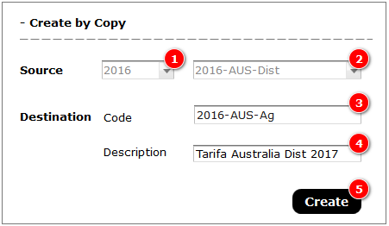
 | SC_price_list_zone_main - PRICE LISTS ZONE MAIN SCREEN

PRICE LIST ZONE
id_plz_____ (U/I)
plz_code________ (U)
plz_description ____________
plz_season ____
id_plf ___
id_currency___ (sell)
plz_ex_Rate ___ (M)
id_languaje ___
plz_correction ___ %
plz_commission ___%
plz_freight ___ €/kg
plz_taxes ___ %
plz_margin ___%
plz_date __/__/__
plz_update __/__/__
 | Main Database : |  | PRICE LIST ZONE |  | Actions : | Double Click on a field, open edit screen
 | Linked databases : |  | PRICE LIST FACTORY |  |  | NEW button : create new records, by copy records on PRIZE LIST ZONE and PRICE LIST ZONE DETAILS from id_plf , open edit screen
 |  |  | CURRENCY |  |  | CREATE by COPY button : create new records, by copy records on PRIZE LIST ZONE and PRICE LIST ZONE DETAILS from id_plz , open edit screen
 |  |  | LANGUAGE |  |  | Head of the tables allow to filter and sort information

 | The information shown on this screen is filtered according to user access level

 | * SC_price_list_zone_main

 |  |  |  |  |  |  |  |  |  |  |  |  |  | NEW |  | CREATE BY COPY

 |  | CODE | DESCRIPTION | SEASON | PR. LIST FACTORY | FTY. PR. LST. CURRENCY | PR. LST. CURRENCY | EX. RATE | DATE | UPDATE | CORRECTION % | COMMISSION % | FERIGHT | TAXES % | MARGIN % | LANGUAGE
 |  | plz_code | plz_description | plz_season | plf_code (id_plf) | curr_code (id_plf / id_currency) | curr_code (id_currency) | plz_ex_rate | plz_date | plz_update | plz_crrection | plz_commission | plf_crrection | plz_taxes | plz_margin | lg_name (id_language)
 |  | 2015-SP-DIST | TARIFA 2015 (Dist) | 2015 | 2015-BCN | USD | EUR | 0.9 | 2015-01-01 | 2015-01-01 | 0 | 20 | 4 | 20 | 30 | Espanyol
 |  | 2015-SP-AG | TARIFA 2015 (Ag) | 2015 | 2015-BCN | USD | EUR | 0.9 | 2015-01-01 | 2015-01-01 | 5 | 10 | 4 | 20 | 30 | Espanyol
 |  | 2015-CAT-AG | TARIFA 2015 (Ag) | 2015 | 2015-BCN | USD | EUR | 0.9 | 2015-01-01 | 2015-01-01 | 5 | 10 | 4 | 20 | 30 | Catala
 |  | 2015-VN-HAN | PRICE LIST 2015 HANOI | 2015 | 2015-VN | VND | VND | 0 | 2015-01-01 | 2015-01-01 | 15 | 20 | 0 | 0 | 30 | English
 |  | 2015-VN-SG | PRICE LIST 2015 SAIGON | 2015 | 2015-VN | VND | VND | 0 | 2015-01-01 | 2015-01-01 | 0 | 0 | 0 | 0 | 30 | English

1. Create New Price List Zone - Mockup (M1) |  |  |  |  |  |  |  |  | Components |  |  |  |  |  |  |  | Business Rules
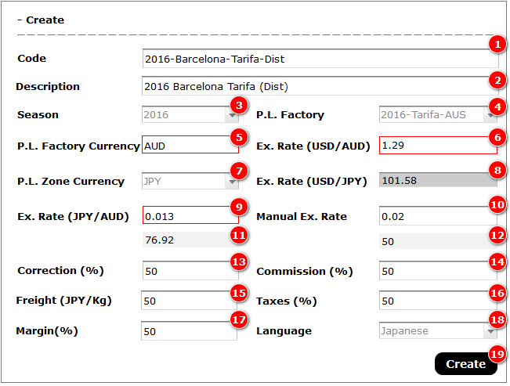

2. Create New Price List Zone by Copy - Mockup (M2) |  |  |  |  |  |  |  |  | Components |  |  |  |  |  |  |  | Business Rules

Price List Zone Edit Screen
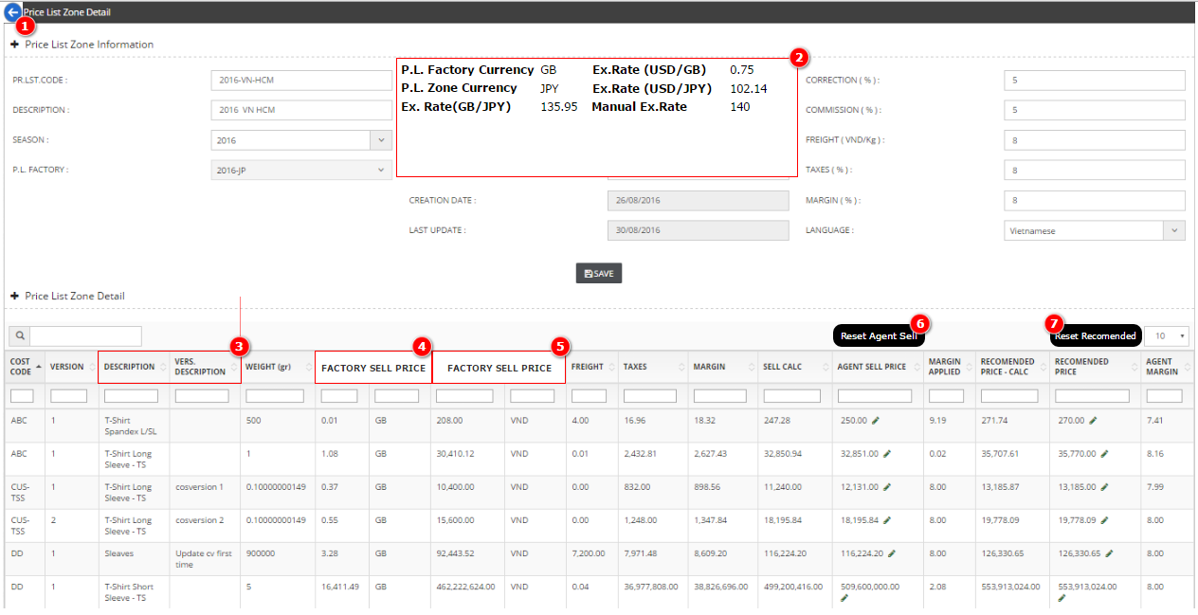
PRICE LIST ZONE
id_plz_____ (U/I)
plz_code________ (U)
plz_description ____________
plz_season ____
id_plf ___
id_currency___ (sell)
plz_ex_Rate ___ (M)
id_languaje ___
plz_correction ___ %
plz_commission ___%
plz_freight ___ €/kg
plz_taxes ___ %
plz_margin ___%
plz_date __/__/__
plz_update __/__/__
PRICE LIST ZONE DETAILS
id_plz_det_____ (U/I)
id_plz ___ (L)
id_plf_det _____
plzd_Weight ___ Kg (CDB) "COST VERSION"
plzd_Fty Sell -4____ (currency zone) (C)
plzd_Freight ___ (C)
plzd_Taxes ___ (C)
plzd_Margin-1 ___ (C)
plzd_Margin-2 ___ (C)
plzd_Zone Sell - 5 ___ (C)
*plzd_Zone Sell - 6(M)____
plzd_PVPR -7 ___ (C)
*plzd_PVPR - 8 (M) ___
plzd_Margin ___ % (C)
 |  | SC_price_list_zone_edit - PRICE LIST ZONE EDIT SCREEN

 |  | Database 1 : |  | PRICE LIST ZONE |  | Actions : | After change a value on #1 , recalculate all fields in #2.
 |  | Linked databases : |  | PRICE LIST FACTORY |  |  | SAVE : After change values on the table, click for save them.
 |  |  |  | CURRENCY |  |  | Head of the tables allow to filter and sort information
 |  |  |  | LANGUAGE |  |  | When choose an Origin P.List automatically creates all the lines on PRIZE LIST ZONE DETAILS

 |  | Database 2 : |  | PRICE LIST ZONE DETAILS
 |  | Linked databases : |  | PRICE LIST FACTORY DEETAILS
 |  |  |  | COSTING / COSTING VERSIONS
 |  |  |  | CURRENCY
 |  |  |  | COSTING DESCRIPTION / COSTING VERSION DESC

 | * SC_price_list_zone_edit_(z)
PR. LST. CODE : plz_code FACTORY PL. CURRENCY : curr_code (id_plf /id_currency) CORRECTION : plz_correction %
DESCRIPTION : plz_description PRICE LIST CURRENCY : curr_code (id_currency) COMMISSION : plz_commission %
SEASON : plz_season CREATION DATE EX. RATE : cc_value (* on plf_date) FREIGHT : plz_freight €/kg
PRICE LIST FTY: plf_code ( id_plf) CALCULATION EX. RATE : plz_ex_rate TAXES : plz_taxes %
CREATION DATE : plz_date MARGIN : plz_margin %
LAST UPDATE : plz_update LANGUAGE : lg_name (if_language)
 |  | # 1

 |  |  |  |  |  |  |  |  |  |  |  |  |  |  |  |  |  |  |  | SAVE
 |  |  | * SC_price_list_zone_(z)
 |  | # 2 | COST CODE | VERSION | DESCRIPTION | VERS. DESCRIPTION | WEIGHT | FTY SELL PRICE | CURRENCY | FTY SELL PRICE | CURRENCY | FERIGHT | TAXES | MARGIN | SELL CALC | AGENT SELL PRICE | MARGIN APPLIED | RECOMENDED PRICE - CALC | RECOMENDED PRICE | AGENT MARGIN
 |  |  | cost_code (id_plf_det / id_cost) | cv_version (id_plf_det / id_cost_version ) | cd_description (id_cost/id_language) | cvd_description (id_cost/id_language) | plzd_weight (copyed from cv_weight ) (id_plf_det / id_cost_version) | plfd_fty_sell-3 (id_plf_det) | curr_code (id_plz / id_plf / id_currency) | plzd_fty_sell-4 (= plfd_fty_sell-3 / plz_ex_rate) | curr_code (id_plz / id_currency) | plzd_freight (=plzd_weight * plz_freight) | plzd_taxes (=(plzd_fty_sell-4 +plzd_freight) * plz_taxes * %) | plzd_margin (=(plzd_fty_sell-4 + plzd_freight + plzd_taxes) * plz_margin * %) | plzd_zone_sell-5 (=plzd_fty_sell-4 + plzd_freight + plzd_taxes + plzd_margin) | plzd_zone_sell-6 | plzd_margin-1 (=(plzd_zone_sell-6 -plzd_fty_sell-4 -plzd_freight -plzd_taxes) * 100 / plzd_zone_sell-6) | plzd_pvpr-7 (=plzd_zone_sell-6 * 100 / 100 - plz_commission) | plzd_pvpr-8 | plzd_margin-2 (= (plzd_pvpr-8 - plzd_zone_sell-6)*100 / plzd_pvpr-8)

 |  |  |  |  |  |  |  |  |  | Fty price new currency |  |  |  |  | All costs
 |  |  |  |  |  |  |  |  |  |  |  |  |  | Apply Margin to all previous costs |  |  |  | All cost + Commission
 |  |  | Fields editable directly on the table : plzd_weight , plzd_zone_sell-6 , plzd_pvpr-8

 | * SC_price_list_zone_edit_(z) |  |  |  | * EXAMPLE
PR. LST. CODE : 2015-SP-DIST FACTORY PL. CURRENCY : USD CORRECTION : 0 %
DESCRIPTION : TARIFA 2015 (Dist) PRICE LIST CURRENCY : EUR COMMISSION : 20 %
SEASON : 2015 CREATION DATE EX. RATE : 0.931 FREIGHT : 4 €/kg
PRICE LIST FTY: 2015-BCN CALCULATION EX. RATE : 0.9 TAXES : 20 %
CREATION DATE : 01/01/2015 MARGIN : 30 %
LAST UPDATE : 01/01/2015 LANGUAGE : Espanyol
 |  | # 1

 |  |  |  |  |  |  |  |  |  |  |  |  |  |  |  |  |  |  |  | SAVE
 |  |  | * SC_price_list_zone_(z)
 |  | # 2 | COST CODE | VERSION | DESCRIPTION | VERS. DESCRIPTION | WEIGHT | FTY SELL PRICE | CURRENCY | FTY SELL PRICE | CURRENCY | FERIGHT | TAXES | MARGIN | SELL CALC | AGENT SELL PRICE | MARGIN APPLIED | RECOMENDED PRICE - CALC | RECOMENDED PRICE | AGENT MARGIN
 |  |  | cost_code (id_plf_det / id_cost) | cv_version (id_plf_det / id_cost_version ) | cd_description (id_cost/id_language) | cvd_description (id_cost/id_language) | plzd_weight (copyed from cv_weight ) (id_plf_det / id_cost_version) | plfd_fty_sell-3 (id_plf_det) | curr_code (id_plz / id_plf / id_currency) | plzd_fty_sell-4 (= plfd_fty_sell-3 * plz_ex_rate) | curr_code (id_plz / id_currency) | plzd_freight (=plzd_weight * plz_freight) | plzd_taxes (=(plzd_fty_sell-4 +plzd_freight) * plz_taxes * %) | plzd_margin (=(plzd_fty_sell-4 + plzd_freight + plzd_taxes) * plz_margin * %) | plzd_zone_sell-5 (=plzd_fty_sell-4 + plzd_freight + plzd_taxes + plzd_margin) | plzd_zone_sell-6 | plzd_margin-1 (=(plzd_zone_sell-6 -plzd_fty_sell-4 -plzd_freight -plzd_taxes) * 100 / (plzd_fty_sell-4 +plzd_freight +plzd_taxes) | plzd_pvpr-7 (=plzd_zone_sell-6 * 100 / 100 - plz_commission) | plzd_pvpr-8 | plzd_margin-2 (= (plzd_pvpr-8 - plzd_zone_sell-6)*100 / plzd_pvpr-8)
 |  |  | TSS | 0 | Camiseta manga corta | No personalizado | 0.15 | 5.20 | USD | 4.68 | EUR | 0.60 | 1.06 | 1.90 | 8.24 | 8.10 | 2155.00 | 11.57 | 11.50 | 29.6
 |  |  | TSS | 1 | Camiseta manga corta | Impresion 1 cara | 0.15 | 5.95 | USD | 5.36 | EUR | 0.60 | 1.19 | 2.14 | 9.29 | 9.30 | 30.14 | 13.29 | 13.30 | 30.1
 |  |  | TSS | 2 | Camiseta manga corta | Impresion 2 caras | 0.15 | 6.95 | USD | 6.26 | EUR | 0.60 | 1.37 | 2.47 | 10.69 | 10.70 | 30.08 | 15.29 | 15.00 | 28.7
 |  |  | TSS | 3 | Camiseta manga corta | full print | 0.15 | 7.50 | USD | 6.75 | EUR | 0.60 | 1.47 | 2.65 | 11.47 | 11.50 | 30.39 | 16.43 | 16.50 | 30.3
 |  |  | TSS | 4 | Camiseta manga corta | full print + Numero | 0.17 | 8.90 | USD | 8.01 | EUR | 0.68 | 1.74 | 3.13 | 13.56 | 13.60 | 30.42 | 19.43 | 19.00 | 28.4
 |  |  | TLS | 0 | Camiseta manga larga | No personalizado | 0.18 | 6.50 | USD | 5.85 | EUR | 0.72 | 1.31 | 2.37 | 10.25 | 10.25 | 30.01 | 14.64 | 14.50 | 29.3
 |  |  | TLS | 1 | Camiseta manga larga | Impresion 1 cara | 0.18 | 7.90 | USD | 7.11 | EUR | 0.72 | 1.57 | 2.82 | 12.21 | 12.20 | 29.84 | 17.43 | 17.50 | 30.3
 |  |  |  |  |  |  | ??? |  |  | Fty price new currency |  |  |  |  | All costs
 |  |  |  |  |  |  |  |  |  |  |  |  |  | Apply Margin to all previous costs |  |  |  | All cost + Commission
 |  |  | Fields editable directly on the table : plzd_zone_sell-6 , plzd_pvpr-8 , plzd_weight

1. Price List Zone Detail - Mockup (M1) |  |  |  |  |  |  |  |  |  |  |  |  | Components |  |  |  |  |  |  | Business Rules

Price List Zone (Agent View)
 | SC_price_list_zone_edit - PRICE LIST ZONE EDIT SCREEN

 | Database 1 : |  | PRICE LIST ZONE |  | Actions : | Head of the tables allow to filter and sort information
 | Linked databases : |  | CURRENCY

 | Database 2 : |  | PRICE LIST ZONE DETAILS
 | Linked databases : |  | PRICE LIST FACTORY DEETAILS
 |  |  | COSTING / COSTING VERSIONS
 |  |  | COSTING DESCRIPTION / COSTING VERSION DESC

* SC_price_list_zone_edit_(a)
PRICE LIST : id_plz (hiden)
PR. LST. CODE : plz_code SEASON : plz_season
DESCRIPTION : plz_description CREATION DATE : plz_date
CURRENCY : curr_code (id_plf /id_currency) LAST UPDATE : plz_update
 | # 1

 |  | * SC_plz_det_(a)
 | # 2 | COST CODE | VERSION | DESCRIPTION | VERS. DESCRIPTION | AGENT SELL PRICE | RECOMENDED PRICE | AGENT MARGIN
 |  | cost_code (id_plf_det / id_cost) | cv_version (id_plf_det / id_cost_version ) | cd_description (id_cost/id_language) | cvd_description (id_cost/id_language) | plzd_zone_sell-6 | plzd_pvpr-8 | plzd_margin-2 (= (plzd_pvpr-8 - plzd_zone_sell-6)*100 / plzd_pvpr-8)

 |  | Fields editable directly on the table : non

* SC_price_list_zone_edit_(a) |  |  |  | * EXAMPLE
PR. LST. CODE : 2015-SP-DIST SEASON : 2015
DESCRIPTION : TARIFA 2015 (Dist) CREATION DATE : 01/01/2015
CURRENCY : EUR LAST UPDATE : 01/01/2015
 | # 1

 |  | * SC_plz_det_(a)
 | # 2 | COST CODE | VERSION | DESCRIPTION | VERS. DESCRIPTION | AGENT SELL PRICE | RECOMENDED PRICE | AGENT MARGIN
 |  | cost_code (id_plf_det / id_cost) | cv_version (id_plf_det / id_cost_version ) | cd_description (id_cost/id_language) | cvd_description (id_cost/id_language) | plzd_zone_sell-6 | plzd_pvpr-8 | plzd_margin-2 (= (plzd_pvpr-8 - plzd_zone_sell-6)*100 / plzd_pvpr-8)
 |  | TSS | 0 | Camiseta manga corta | No personalizado | 8.10 | 11.50 | 29.6
 |  | TSS | 1 | Camiseta manga corta | Impresion 1 cara | 9.30 | 13.30 | 30.1
 |  | TSS | 2 | Camiseta manga corta | Impresion 2 caras | 10.70 | 15.00 | 28.7
 |  | TSS | 3 | Camiseta manga corta | full print | 11.50 | 16.50 | 30.3
 |  | TSS | 4 | Camiseta manga corta | full print + Numero | 13.60 | 19.00 | 28.4
 |  | TLS | 0 | Camiseta manga larga | No personalizado | 10.25 | 14.50 | 29.3
 |  | TLS | 1 | Camiseta manga larga | Impresion 1 cara | 12.20 | 17.50 | 30.3

 |  | Fields editable directly on the table : non

